Sheet1
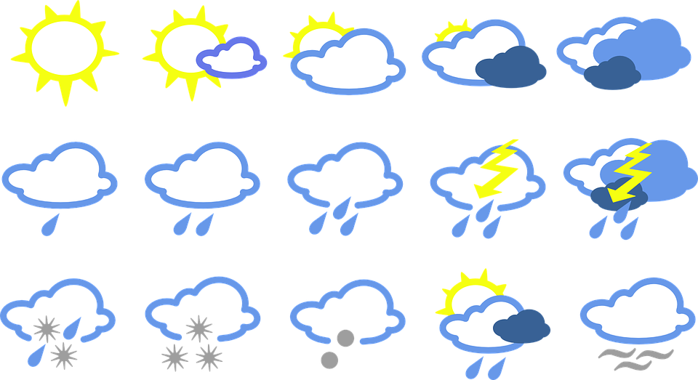
Getting real-time Weather.gov data with WEBSERVICE( ) and FILTERXML( )
georgejmount.com

